Schedule
Week | Date | Home V Away | Bloomer |  | Murphy |  | Lyon Oaks |  | Mirage |  |  | Pool based on snake from 2016 GLT final standings and alphabetical, 33 random to 2. 2016 GLT final standings shown below
Requesting all the teams to note the game start times |  |  |  |  |  |  |  |  |  |  |  | A | B | C | D | E | F | G | H
TIME |  |  | 10:30:00 | 14:30:00 | 10:30:00 | 14:30:00 | 10:30:00 | 14:30:00 | 10:30:00 | 14:30:00 |  | NVCC | CAVS | UNCC | MDCC | TCA2 | DSKW | GDCC | TRCC
1 | Saturday, April 22, 2017 |  |  |  |  |  |  |  |  |  |  | VSCC | KWCC | DCCC | GPAN | MOCC | RKTE | WACC | TCA1
 |  | Home | P3CC | GLCC | RSCC | SPCC | OUCC | DSKB | MVCC | KWCC |  | MMSS | RSCC | GLCC | MPCC | DEPC | GTTC | CHCC | DSKB
 |  | V | V | V | V | V | V | V | V | V |  | SPCC | RKTR | P3CC | PHCA | OUCC | MMCH | MVCC | FCCB
 |  | Away | DCCC | UNCC | TCA3 | VSCC | MOCC | TRCC | WACC | RKTR |  |  | TCA3
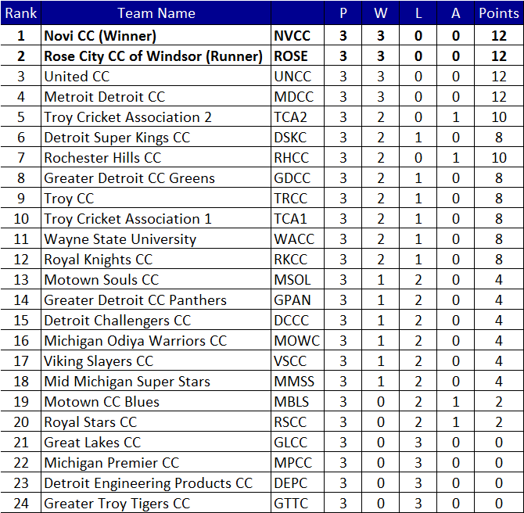
1 | Sunday, April 23, 2017
 |  | Home | PHCA | FCCB | MMSS | GTTC | DEPC | MPCC | MMCH | CHCC
 |  | V | V | V | V | V | V | V | V | V
Afternoon game at Lyon Oaks
 |  | Away | GPAN | TCA1 | NVCC | DSKW | TCA2 | MDCC | RKTE | GDCC
TIME |  |  | 10:30:00 | 14:30:00 | 10:30:00 | 14:30:00 | 10:30:00 | 14:30:00 | 10:30:00 | 14:30:00
2 | Saturday, April 29, 2017
 |  | Home | KWCC | WACC | DCCC | MOCC | GDCC | RKTR | MDCC | GPAN
 |  | V | V | V | V | V | V | V | V | V
 |  | Away | RSCC | CHCC | GLCC | DEPC | MVCC | CAVS | PHCA | MPCC
2 | Sunday, April 30, 2017 |  |  |  |  |  | 8:30:00 | 15:30:00 |  |  | 12:00:00
 |  | Home | VSCC | RKTE | UNCC | TCA1 | DSKW | NVCC | TRCC | TCA2 | TCA3
 |  | V | V | V | V | V | V | V | V | V | V
 |  | Away | MMSS | GTTC | P3CC | DSKB | MMCH | SPCC | FCCB | OUCC | CAVS
GLT Playoff Week 1
TIME |  |  | 10:30:00 | 14:30:00 | 10:30:00 | 14:30:00 | 10:30:00 | 14:30:00 | 10:30:00 | 14:30:00
3 | Saturday, May 6, 2017 |  | PQ1 | PQ2 | PQ3 | PQ4 | PQ5 | PQ6 | PQ7 | PQ8
 |  | Home | H2 | G2 | F2 | E2 | D2 | C2 | B2 | A2
 |  | V | V | V | V | V | V | V | V | V
 |  | Away | A1 | B1 | C1 | D1 | E1 | F1 | G1 | H1
TIME |  |  | 10:00:00 | 15:00:00 | 10:00:00 | NA | 10:00:00 | 15:00:00 | 10:00:00 | NA
3 | Sunday, May 7, 2017 |  | QF1 | SF1 | QF2 |  | QF3 | SF2 | QF4
 |  | Home | PQ4 | QF1 | PQ5 |  | PQ6 | QF3 | PQ3
 |  | V | V | V | V | V | V | V | V | V
 |  | Away | PQ1 | QF2 | PQ2 |  | PQ7 | QF4 | PQ8
GLT Playoff Week 2 (F40/T20 regular season will start, except for the 2 teams in the finals)
TIME |  |  | 10:30:00 | 14:30:00 | 10:30:00 | 14:30:00 | 10:30:00 | 14:30:00 | 10:30:00 | 14:30:00
4 | Saturday, May 13, 2017
 |  | Home
 |  | V | V | V | V | V | V | V | V | V
 |  | Away
4 | Sunday, May 14, 2017 |  | Finals
 |  | Home | SF2 |  |  | 1. No reserve day for pre quarterfinal / Quarterfinal, if washed out higher seed by Points / runrate progresses 2. If 5/7/2017 Sunday QF round is washed out, SF and Finals will be played on 5/14 (Sunday) or the memorial day weekend.
 |  | V | V | V | V
 |  | Away | SF1

 | Pool standings are decided as follows
 | 1. Total number of points
 | 2. Net Run Rate
 | 3. If Net Run Rate of the tied teams is identical, a coin toss shall break the tie

Club List and Requests
# | Team Name

 |  | Table ranks
1 | Cavaliers Cricket Club of Windsor - CAVS | 2 | CAVS
2 | Chargers CC - CHCC | 23 | CHCC
3 | Detroit Challengers CC - DCCC | 14 | DCCC
4 | Detroit Engineered Products CC - DEPC | 21 | DEPC
5 | Detroit Super Kings Bulls - DSKB | 24 | DSKB
6 | Detroit Super Kings Warriors - DSKW | 6 | DSKW
7 | Farmington Cricket Club - Braves - FCCB | 25 | FCCB
8 | Great Lakes Cricket Club - GLCC | 19 | GLCC
9 | Greater Detroit Cricket Club Panthers - GPAN | 13 | GPAN
10 | Greater Detroit Cricket Club Greens - GDCC | 7 | GDCC
11 | Greater Troy Tigers CC - GTTC | 22 | GTTC
12 | Kalinga Warriors Cricket Club - KWCC | 15 | KWCC | GTTC, MMCH, MMSS both games Sunday
13 | Mavericks Cricket Club - MVCC | 26 | MVCC | CAVS both games week 2
14 | Metro Detroit Cricket Club - MDCC | 4 | MDCC | MDCC week 1 game Sunday
15 | Michigan Premier Cricket Club - MPCC | 20 | MPCC | RKCC no Saturday AM game week 1
16 | Mid-Michigan CC Heros- MMCH | 27 | MMCH | KWCC no april 23 game
17 | Mid-Michigan CC Super Stars- MMSS | 17 | MMSS | CHCC no April 22 game
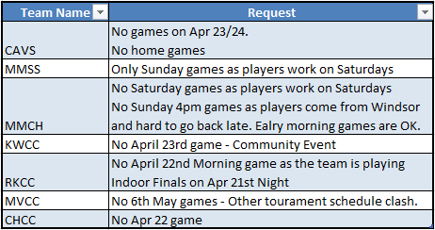
18 | Motown Cricket Club - MOCC | 12 | MOCC
19 | Novi Cricket Club - NVCC | 1 | NVCC
20 | Oakland University CC - OUCC | 28 | OUCC
21 | Photons Cricket Academy - PHCA | 29 | PHCA
22 | P3 Challengers - P3CC | 30 | P3CC
23 | Royal Knights Cricket Club Terminators - RKTE | 11 | RKTE
24 | Royal Knights Cricket Club Transformers - RKTR | 31 | RKTR
25 | Royal Stars Cricket Club - RSCC | 18 | RSCC
26 | Sparks Cricket Club - SPCC | 32 | SPCC
27 | Troy Cricket Association 1 - TCA1 | 9 | TCA1
28 | Troy Cricket Association 2 - TCA2 | 5 | TCA2
29 | Troy Cricket Association 3 - TCA3 | 33 | TCA3
30 | Troy Cricket Club - TRCC | 8 | TRCC
31 | United Cricket Club - UNCC | 3 | UNCC
32 | Viking Slayers CC - VSCC | 16 | VSCC
33 | Warriors CC - WACC | 10 | WACC

